Metrics and Plots
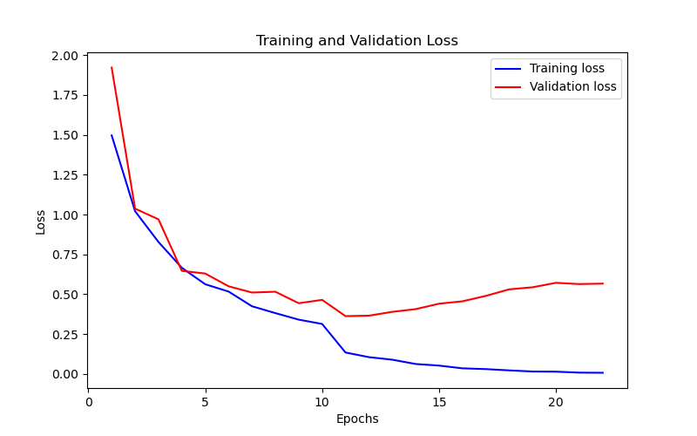
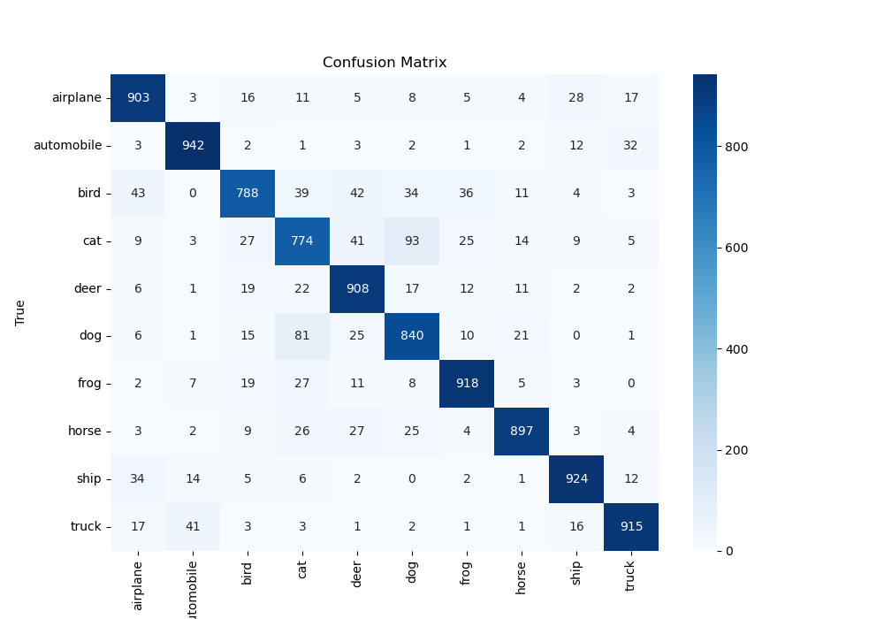
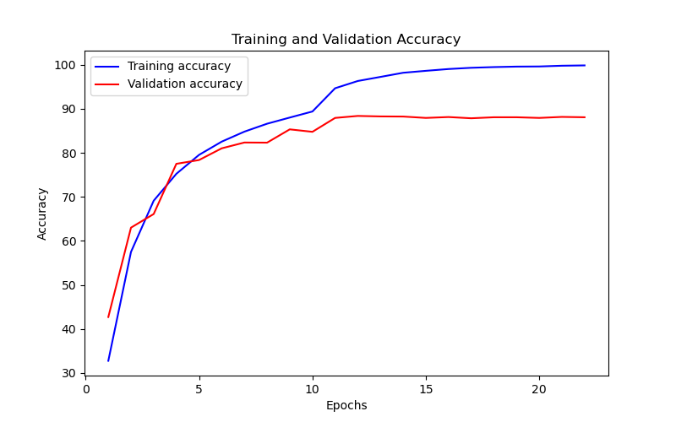
Epoch | Train Accuracy | Train Loss | Validation Accuracy | Validation Loss
1 | 32.75 | 1.496 | 42.7 | 1.921
2 | 57.49 | 1.021 | 63.01 | 1.037
3 | 69.12 | 0.828 | 66.1 | 0.97
4 | 75.24 | 0.666 | 77.51 | 0.647
5 | 79.54 | 0.563 | 78.37 | 0.63
6 | 82.55 | 0.517 | 81.03 | 0.55
7 | 84.82 | 0.425 | 82.35 | 0.511
8 | 86.62 | 0.382 | 82.32 | 0.516
9 | 88.02 | 0.341 | 85.34 | 0.444
10 | 89.4 | 0.314 | 84.78 | 0.465
11 | 94.68 | 0.135 | 87.94 | 0.363
12 | 96.33 | 0.106 | 88.39 | 0.366
13 | 97.26 | 0.09 | 88.28 | 0.39
14 | 98.2 | 0.063 | 88.25 | 0.407
15 | 98.64 | 0.053 | 87.94 | 0.441
16 | 99.05 | 0.036 | 88.14 | 0.456
17 | 99.33 | 0.031 | 87.86 | 0.49
18 | 99.49 | 0.023 | 88.09 | 0.531
19 | 99.6 | 0.016 | 88.09 | 0.544
20 | 99.63 | 0.015 | 87.94 | 0.572
21 | 99.8 | 0.009 | 88.17 | 0.564
22 | 99.87 | 0.008 | 88.09 | 0.567

